Indices

 | Iraq Stock Exchange
 | Bulletin No (147)
 | ISX Trading Indices of Monday 24/8/2026

 | Traded Volume and OTC |  | 982,245,550 |  | Traded Value and OTC |  | 453,472,017 |  | Traders | 405
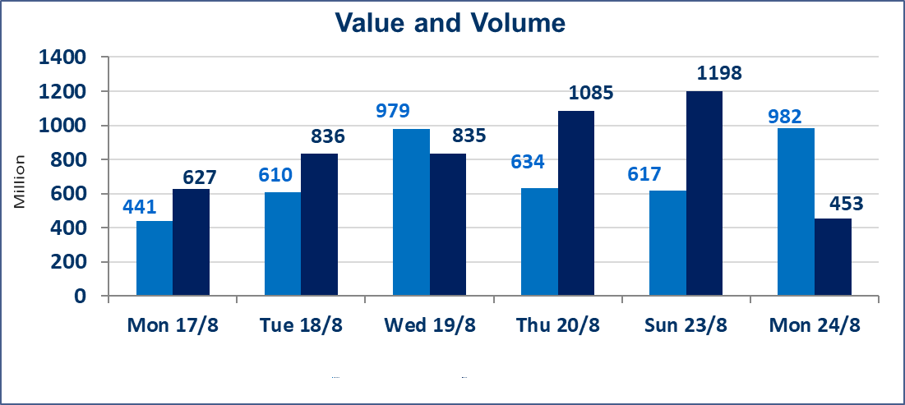
 | ISX Index 60 |  |  | 1014.00 | ISX Index 15 |  |  | 1249.51
 | Previous ISX Index60 |  |  | 1012.81 | Previous ISX Index15 |  |  | 1246.59
 | Change % |  |  | 0.12 | Change % |  |  | 0.23
 | Change |  |  | 1.19 | Change |  |  | 2.92

 | Listed Companies | 103 | OTC | 22 | Non Traded listed | 49 | OTC | 21
 | Traded Listed Companies | 30 | OTC | 1 | Higher Companies |  |  | 9
 | GAM Companies |  |  | 4 | Lower Companies |  |  | 5
 | Suspended Companies |  |  | 20
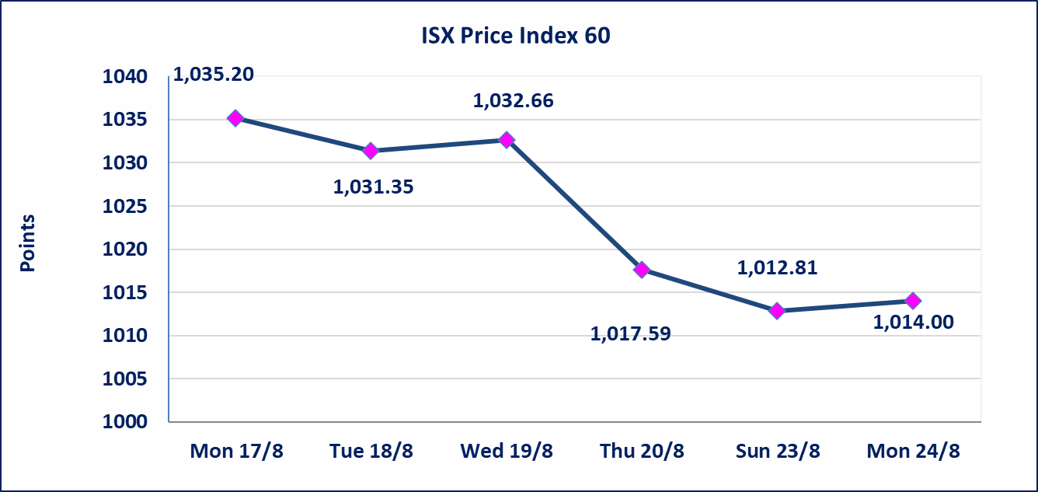
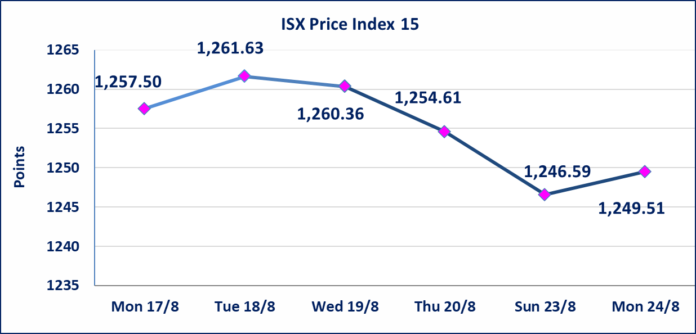

Al-Alwiya P.O . 3607 Mobile: 07711211522 - 07270094594 - 07834000034 E-mail: info-isx@isx-iq.net Web site:www.isx-iq.net

Top 5
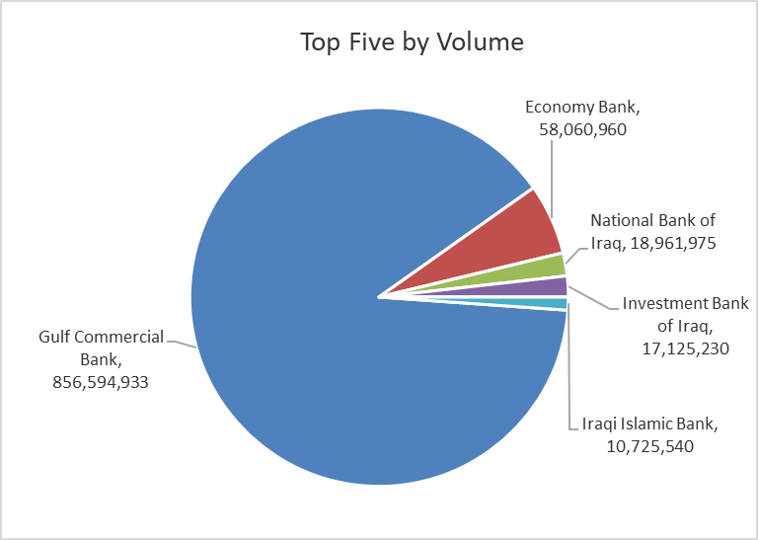
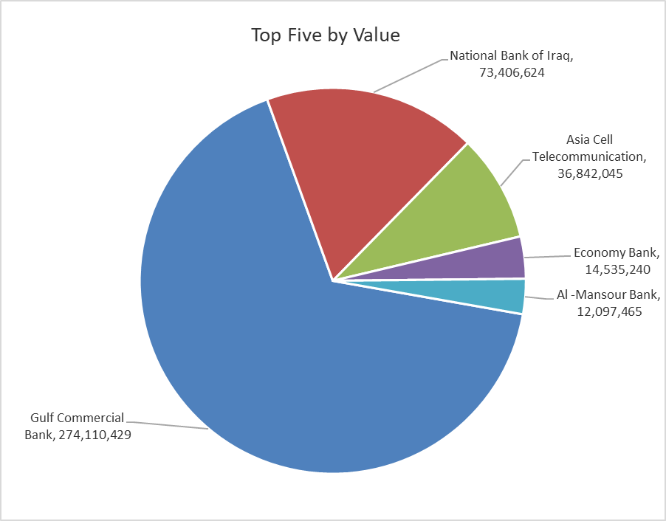

ISX top ganing and losing companies
Monday 24/8/2026
 | Gainers |  |  |  | Losers
 | Company Name | Closing Price | Change (%) | Traded Volume | Company Name | Closing Price | Change (%) | Traded Volume
 | Iraqi Date Processing and Marketing | 2.250 | 7.14 | 1,224,826 | Palestine Hotel | 19.200 | -3.27 | 243,937
 | Economy Bank | 0.260 | 4.00 | 58,060,960 | Gulf Commercial Bank | 0.320 | -3.03 | 856,594,933
 | Al-Ameen for Insurance | 0.920 | 2.22 | 110,104 | Electronic Industry | 1.420 | -1.39 | 70,422
 | National Bank of Iraq | 3.900 | 1.83 | 18,961,975 | Baghdad Soft Drinks | 6.220 | -0.32 | 1,192,101
 | Iraqi Islamic Bank | 1.000 | 1.01 | 10,725,540 | Iraqi For Tufted Carpets | 24.640 | -0.20 | 985
 | The most active companies in term of traded volume and value

 | Traded Volume |  |  |  | Traded Value
 | Company Name | Closing Price | Change (%) | Traded Volume | Company Name | Closing Price | Change (%) | Traded Value
 | Gulf Commercial Bank | 0.320 | -3.03 | 856,594,933 | Gulf Commercial Bank | 0.320 | -3.03 | 274,110,429
 | Economy Bank | 0.260 | 4.00 | 58,060,960 | National Bank of Iraq | 3.900 | 1.83 | 73,406,624
 | National Bank of Iraq | 3.900 | 1.83 | 18,961,975 | Asia Cell Telecommunication | 15.750 | 0.00 | 36,842,045
 | Investment Bank of Iraq | 0.380 | 0.00 | 17,125,230 | Economy Bank | 0.260 | 4.00 | 14,535,240
 | Iraqi Islamic Bank | 1.000 | 1.01 | 10,725,540 | Al -Mansour Bank | 2.140 | 0.47 | 12,097,465

Non Iraqis

Iraq Stock Exchange
Non Iraqis' Bulletin Monday Aug 24 2026
Regular Market

Non Iraqi Trading of Regular Market (Buy)
Company Names | Code | No.of trades | Traded Shares | Trading Volume
Banks Sector
National Bank Of Iraq | BNOI | 2 | 3,000,000 | 11,550,000
Total Bank sector |  | 2 | 3,000,000 | 11,550,000
Grand Total |  | 2 | 3,000,000 | 11,550,000

Not Trading Bonds

Iraq Stock Exchange
Monday 24/8/2026
Not Trading Bonds Bulletin
Bond type | Publish type | Code | last trading price | immortilize date
Banaa Bonds /Million ID | Second | CB20 | 964,981 | 19/12/2025
Eamar Bonds /Million ID | First | CB30 | 1,001,095 | ــــــــــــــــ
Eamar Bonds /Million ID | Second | CB40 | ــــــــــــــــ | ــــــــــــــــ
Eamar Bonds /500 Thousand ID | Third | CB45 | ــــــــــــــــ | ــــــــــــــــ
Eamar Bonds /Million ID | Third | CB50 | ــــــــــــــــ | ــــــــــــــــ
Injaz Bonds /500 Thousand ID | First | CB55 | ــــــــــــــــ | ــــــــــــــــ
Injaz Bonds /500 Thousand ID | Second | CB65 | 515,493 | ــــــــــــــــ
Injaz Bonds /Million ID | First | CB60 | 951,110 | ــــــــــــــــ
Injaz Bonds /Million ID | Second | CB70 | 965,050 | ــــــــــــــــ
Injaz Bonds /500 Thousand ID | Third | CB75 | ــــــــــــــــ | ــــــــــــــــ
Injaz Bonds /Million ID | Third | CB80 | 978,182 | ــــــــــــــــ
National Bonds/Million ID | First | CB90 | ــــــــــــــــ | ــــــــــــــــ
National Bonds/500 Thousand ID | Second | CB95 | ــــــــــــــــ | ــــــــــــــــ
National Bonds/Million ID | Second | CB100 | ــــــــــــــــ | ــــــــــــــــ

